SFR setting
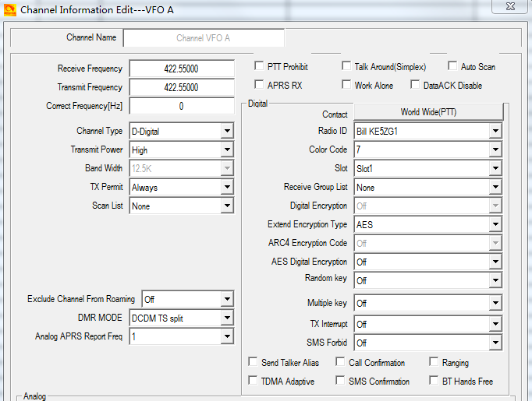
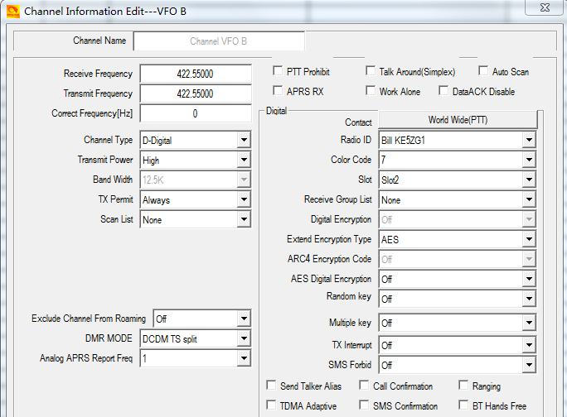
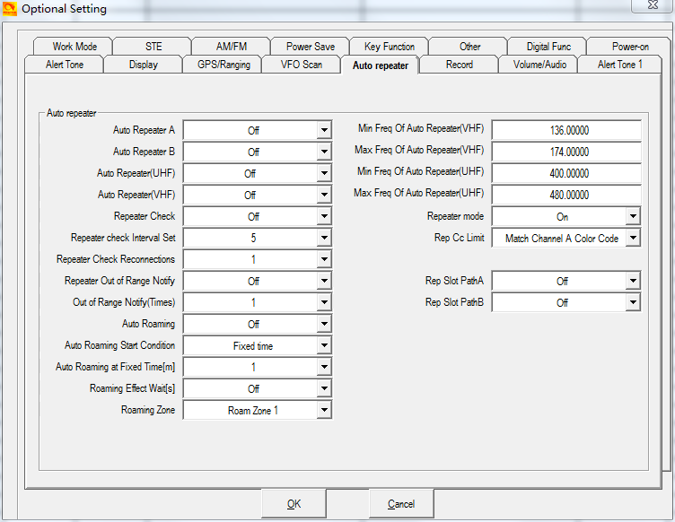
* AT-D578UV SFR(Single Frequency Repeater) Operation
1. Setting
Item | Normal DMR Handy A | Item | AT-D578UV(As a Repeater) |  | Item | Normal DMR Handy B
Frequency (MHz) | TX/RX | Frequency (MHz) | VFO A TX/RX | VFO B TX/RX | Frequency (MHz) | TX/RX
 | 422.5500 |  | 422.5500 | 422.5500 |  | 422.5500
Contact | Groul Call(ID:1) | Contact | Groul Call(ID:1) | Groul Call(ID:1) | Contact | Groul Call(ID:1)
Color Code | 7 | Color Code | 7 | 7 | Color Code | 7
Slot | 1 | Slot | 1 | 2 | Slot | 2
DMR Mode | Double Slot | DMR Mode | DCDM TS Split | DCDM TS Split | DMR Mode | Double Slot
 |  | Repeater Mode | ON
 |  | Rep CC Limit | Match Channel A Color Code
 |  | Rep Slot Path A | OFF
 |  | Rep Slot Path B | OFF

2. Software Screen

